Max Lifts
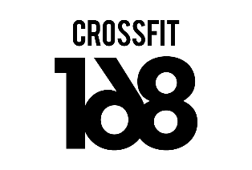 | 5 WEEK WEIGHTLIFTING

MAX LIFTS | Notes: Start your workout with a bodyweight warmup and muscle activation. Ensure you are warm and ready to go once you are on the bar. Keep rest time to 2-3 mins between sets. The purpose of Saturday's heavy single snatch and clean & jerk is to get you used to hitting heavy weights regularly and to develop a strategy of getting to your top weights. A heavy single doesn't always have to be 100% or a new PB. Give yourself a max of 2 misses before stopping, we don't want you to practice bad technique. Never finish on a miss - drop the weight and take a last single to finish on a good lift. .
Snatch
Clean & Jerk
Clean
Jerk
Power Snatch
Power Clean
Power Jerk
Back Squat
Front Squat
Overhead Squat
Snatch Balance
Push Press

